Table 1
QC-STEEL-003 - Misc. Parts
Information
24-222
Welding Shop - SSS
Friday, October 4th 2024, 3:01 PM (PDT -07:00)
Pre Start Up
Job Name: | Emerson 110’ Comp.
Job Number: | 24-222
Location: | Surespan Structures
Project Manager: | Wimpie Bouillon
Material Check Completed
Material Check Completed | September 20, 2024
Welded Component(s)
Part Label: Guardrail Posts
Layout/Fabricated by: | Ryan Caul, Mike Fenton
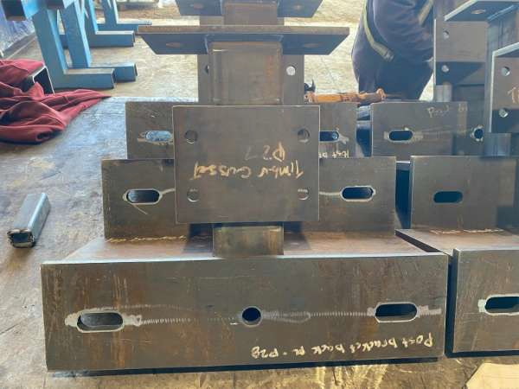 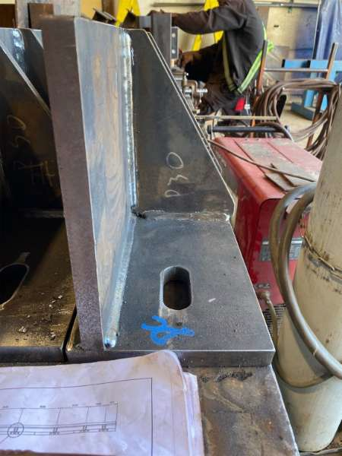 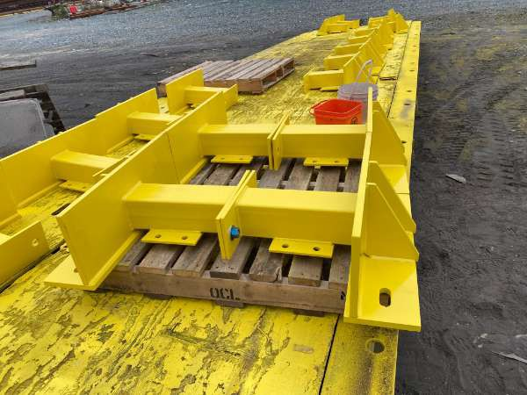 Layout/Fabrication Correct:
Checked by: (QC) | Roderick Thiessen
Welded by: | Mike Fenton, James Johnsson
Welds Correct:
Do Welds Meet W59 Standards?
Welds Veriﬁed by: (QC) | Roderick Thiessen
Date of Inspection: | September 28, 2024
Welded Component(s)
Part Label: Bearing assemblies
Layout/Fabricated by: | Robert Foster
Layout/Fabrication Correct:
Checked by: (QC) | Roderick Thiessen
Welded by: | Robert Foster
Welds Correct:
Do Welds Meet W59 Standards?
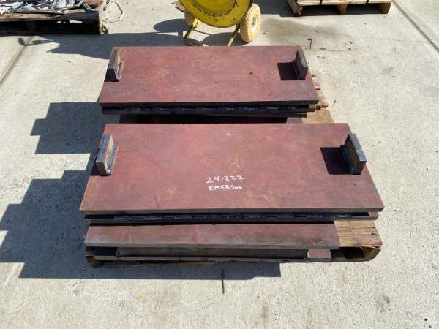 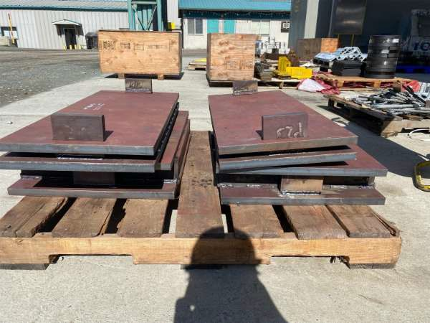 Welds Veriﬁed by: (QC) | Roderick Thiessen
Date of Inspection: | September 27, 2024
Welded Component(s)
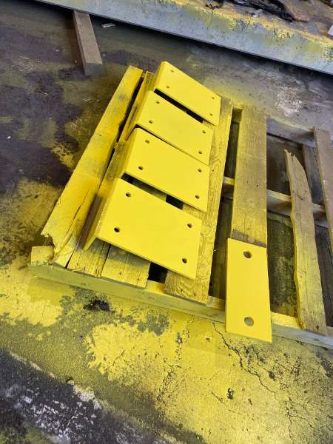 Part Label: Delineator Plates
Layout/Fabricated by: | Jamie Kew
Layout/Fabrication Correct:

Checked by: (QC) | Roderick Thiessen
Welded by: | Jamie Kew
Welds Correct:
Do Welds Meet W59 Standards?
Welds Veriﬁed by: (QC) | Roderick Thiessen
Date of Inspection: | October 2, 2024
Non-Welded Component(s)
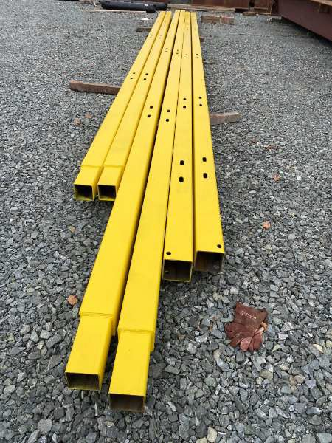 Part Label: Guardrail
Fabricated by: | Jamie Kew
Dimensions Correct:
Dimensions Veriﬁed by: (QC) | Roderick Thiessen
Date of Inspection: | October 2, 2024
Signatures
Roderick Thiessen, Welder October 4th 2024, 3:01 PM (PDT -07:00) 48.8057319, -123.7597702

